LDV-psgr batteries
Bloomberg Battery Costs
https://about.bnef.com/blog/behind-scenes-take-lithium-ion-battery-prices/
2019 cost: https://about.bnef.com/blog/battery-pack-prices-fall-as-market-ramps-up-with-market-average-at-156-kwh-in-2019/

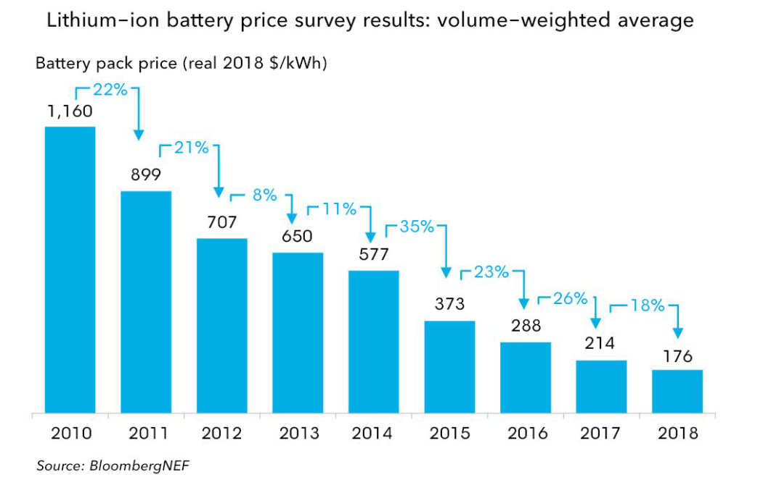

US EPS Results
3.1 results retrieved 01/11/2021

Year | Battery Cost [2019 dollars / kilowatt-hour (kWh)] | Fraction of 2019 (start year)
2019 | 508.02 | 1
2020 | 458.159 | 0.90185228928
2021 | 430.024 | 0.84647061139
2022 | 411.261 | 0.8095370261
2023 | 397.149 | 0.78175859218
2024 | 385.872 | 0.75956064722
2025 | 376.623 | 0.74135467108
2026 | 368.367 | 0.72510334239
2027 | 360.895 | 0.71039526003
2028 | 354.189 | 0.69719499232
2029 | 348.161 | 0.68532931774
2030 | 342.739 | 0.67465650959
2031 | 337.91 | 0.66515097831
2032 | 333.633 | 0.65673201842
2033 | 329.888 | 0.64936026141
2034 | 326.596 | 0.64288020157
2035 | 323.699 | 0.63717767017
2036 | 321.11 | 0.63208141412
2037 | 318.818 | 0.62756978072
2038 | 316.776 | 0.62355025393
2039 | 314.935 | 0.61992638085
2040 | 313.258 | 0.61662532971
2041 | 311.749 | 0.61365497421
2042 | 310.38 | 0.61096019842
2043 | 309.131 | 0.60850163379
2044 | 307.987 | 0.60624975395
2045 | 306.934 | 0.60417700091
2046 | 305.961 | 0.60226172198
2047 | 305.058 | 0.6004842329
2048 | 304.216 | 0.59882681784
2049 | 303.43 | 0.59727963466
2050 | 302.693 | 0.59582890437

Time (Year) | 2019 | 2020 | 2021 | 2022 | 2023 | 2024 | 2025 | 2026 | 2027 | 2028 | 2029 | 2030 | 2031 | 2032 | 2033 | 2034 | 2035 | 2036 | 2037 | 2038 | 2039 | 2040 | 2041 | 2042 | 2043 | 2044 | 2045 | 2046 | 2047 | 2048 | 2049 | 2050
This Year Battery Cost as Fraction of First Year Battery Cost : BAU | 1.00 | 0.90 | 0.85 | 0.81 | 0.78 | 0.76 | 0.74 | 0.73 | 0.71 | 0.70 | 0.69 | 0.67 | 0.67 | 0.66 | 0.65 | 0.64 | 0.64 | 0.63 | 0.63 | 0.62 | 0.62 | 0.62 | 0.61 | 0.61 | 0.61 | 0.61 | 0.60 | 0.60 | 0.60 | 0.60 | 0.60 | 0.60

Calculations
 | 2017 | 2018 | 2019 | 2020 | 2021 | 2022 | 2023 | 2024 | 2025 | 2026 | 2027 | 2028 | 2029 | 2030 | 2031 | 2032 | 2033 | 2034 | 2035 | 2036 | 2037 | 2038 | 2039 | 2040 | 2041 | 2042 | 2043 | 2044 | 2045 | 2046 | 2047 | 2048 | 2049 | 2050
Battery cost ($ / kWh) | $214 | $176.00 | $156.00 | $140.69 | $132.05 | $126.29 | $121.95 | $118.49 | $115.65 | $113.12 | $110.82 | $108.76 | $106.91 | $105.25 | $103.76 | $102.45 | $101.30 | $100.29 | $99.40 | $98.60 | $97.90 | $97.27 | $96.71 | $96.19 | $95.73 | $95.31 | $94.93 | $94.57 | $94.25 | $93.95 | $93.68 | $93.42 | $93.18 | $92.95

LDV psg - sales weighted fleet average battery pack size (kWh) | 100 | 100 | 100 | 99 | 98 | 98 | 97 | 97 | 96 | 95 | 95 | 94 | 93 | 93 | 93 | 93 | 93 | 93 | 93 | 93 | 93 | 93 | 93 | 93 | 93 | 93 | 93 | 93 | 93 | 93 | 93 | 93 | 93 | 93

Electric
Battery cost (2012$) | $19,275 | $15,853 | $13,964 | $12,515 | $11,672 | $11,092 | $10,643 | $10,275 | $9,964 | $9,682 | $9,423 | $9,187 | $8,971 | $8,773 | $8,649 | $8,539 | $8,444 | $8,359 | $8,285 | $8,219 | $8,160 | $8,108 | $8,061 | $8,018 | $7,979 | $7,944 | $7,912 | $7,883 | $7,856 | $7,831 | $7,808 | $7,787 | $7,766 | $7,748
Battery cost (2019$) | $21,463 | $17,652 | $15,549 | $13,935 | $12,997 | $12,351 | $11,851 | $11,441 | $11,095 | $10,781 | $10,493 | $10,230 | $9,990 | $9,768 | $9,631 | $9,509 | $9,402 | $9,308 | $9,226 | $9,152 | $9,087 | $9,028 | $8,976 | $8,928 | $8,885 | $8,846 | $8,811 | $8,778 | $8,748 | $8,720 | $8,694 | $8,670 | $8,648 | $8,627

PHEV
Battery size (kWh) | 26.8 | 26.8 | 26.8 | 26.8 | 26.8 | 26.8 | 26.8 | 26.8 | 26.8 | 26.8 | 26.8 | 26.8 | 26.8 | 26.8 | 26.8 | 26.8 | 26.8 | 26.8 | 26.8 | 26.8 | 26.8 | 26.8 | 26.8 | 26.8 | 26.8 | 26.8 | 26.8 | 26.8 | 26.8 | 26.8 | 26.8 | 26.8 | 26.8 | 26.8
Battery cost (2012$) | $5,152.70 | $4,237.74 | $3,756.18 | $3,387.52 | $3,179.49 | $3,040.76 | $2,936.42 | $2,853.04 | $2,784.66 | $2,723.62 | $2,668.37 | $2,618.79 | $2,574.22 | $2,534.13 | $2,498.42 | $2,466.80 | $2,439.11 | $2,414.77 | $2,393.35 | $2,374.21 | $2,357.26 | $2,342.16 | $2,328.55 | $2,316.15 | $2,305.00 | $2,294.87 | $2,285.64 | $2,277.18 | $2,269.39 | $2,262.20 | $2,255.52 | $2,249.30 | $2,243.49 | $2,238.04

LDV-psgr EV component costs
ICCT Electric Vehicle Component Cost Data
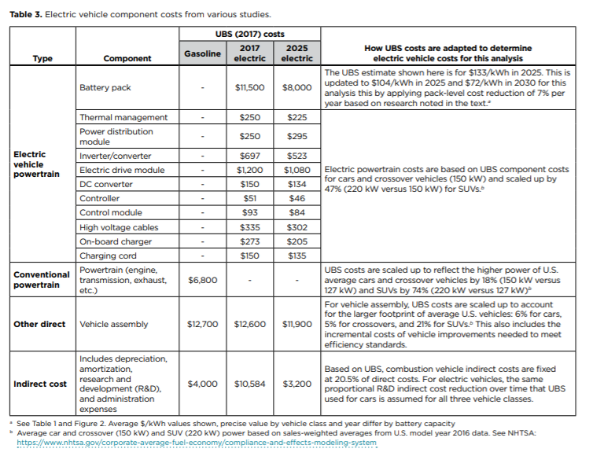

 |  |  |  |  |  |  |  | Electric vehicle powertrain costs (excluding battery)
 |  |  |  |  |  |  |  | Thermal management | $250
 |  |  |  |  |  |  |  | Power distribution module | $250
 |  |  |  |  |  |  |  | Inverter/converter | $697
 |  |  |  |  |  |  |  | Electric drive module | $1,200
 |  |  |  |  |  |  |  | DC converter | $150
 |  |  |  |  |  |  |  | Controller | $51
 |  |  |  |  |  |  |  | Control module | $93
 |  |  |  |  |  |  |  | High voltage cables | $335
 |  |  |  |  |  |  |  | On-board charger | $273
 |  |  |  |  |  |  |  | Charging cord | $150

 |  |  |  |  |  |  |  | Other direct costs
 |  |  |  |  |  |  |  | Vehicle assembly | $12,600

 |  |  |  |  |  |  |  | Indirect costs
 |  |  |  |  |  |  |  | Gasoline | $4,000
 |  |  |  |  |  |  |  | 2017 Electric | $10,584
 |  |  |  |  |  |  |  | 2025 Electric | $3,200

Calculations

Adjustment Factors
SUVs/Truck SUVs | 1.47 | Truck to SUV adjustment factor (2019 Transport Energy Data Book). "Cars and crossovers" to SUVs adjustment factor (value used in ICCT analysis, i.e. 150 KW vs 220 kW)
Light Trucks/Pickups | 1.45

EV Powertrain Costs (not including battery)
 | Cars and crossovers | SUVs (or "Truck SUV") | Light truck (or "pickup")
Thermal management | $250 | $368 | $534
Power distribution module | $250 | $368 | $534
Inverter/converter | $697 | $1,025 | $1,490
Electric drive module | $1,200 | $1,764 | $2,565
DC converter | $150 | $221 | $321
Controller | $51 | $75 | $109
Control module | $93 | $137 | $199
High voltage cables | $335 | $492 | $716
On-board charger | $273 | $401 | $584
Charging cord | $150 | $221 | $321
Total | $3,449 | $5,070 | $7,373

Other Direct Costs
 | UBS Vehicle (compact car) | Cars and crossovers | SUVs | Light truck
Adjustment factor applied to USB values following ICCT method | 1 | 1.055 | 1.21 | 1.1681 | Scaled up at 5.5% for cars and crossovers (simple average of 5 and 6) and 21% for SUVs

Other direct costs | $12,600 | $13,293 | $15,246 | $17,809

Profit Margins
 | Cars and crossovers | Truck SUV | Pickup
Electric powertrain | $3,449 | $5,070 | $7,373
Other direct | $13,293 | $15,246 | $17,809
Subtotal | $16,742 | $20,316 | $25,182

Manufacturing profit margin | 10% | 15% | 25%

Cost with manufacturing margin | $18,416 | $23,363 | $31,477

Dealer margin | 15% | 15% | 15%

Retail price before indirect | $21,179 | $26,868 | $36,199

2018 Subtotal Before Indirect Costs

Cars and crossovers | $21,178.63
Light trucks | $29,625.74

Indirect Costs

 | 2018 | 2025
Year after initial period | 1 | 8
Indirect cost difference | $6,584 | $0

 | 2018 | 2019 | 2020 | 2021 | 2022 | 2023 | 2024 | 2025
Year number | 1 | 2 | 3 | 4 | 5 | 6 | 7 | 8
Extrapolated value | $6,584 | $4,389 | $3,106 | $2,195 | $1,489 | $911 | $423 | $0

Weighted Average LDV Cost
 | 2018 | 2019 | 2020 | 2021 | 2022 | 2023 | 2024 | 2025
2012 $s | $29,576.30 | $27,570.52 | $26,397.22 | $25,564.75 | $24,919.03 | $24,391.44 | $23,945.37 | $23,558.97
2018 $s | $32,359.19 | $30,164.69 | $28,880.98 | $27,970.18 | $27,263.71 | $26,686.48 | $26,198.44 | $25,775.68

LDV-psgr battery calcs
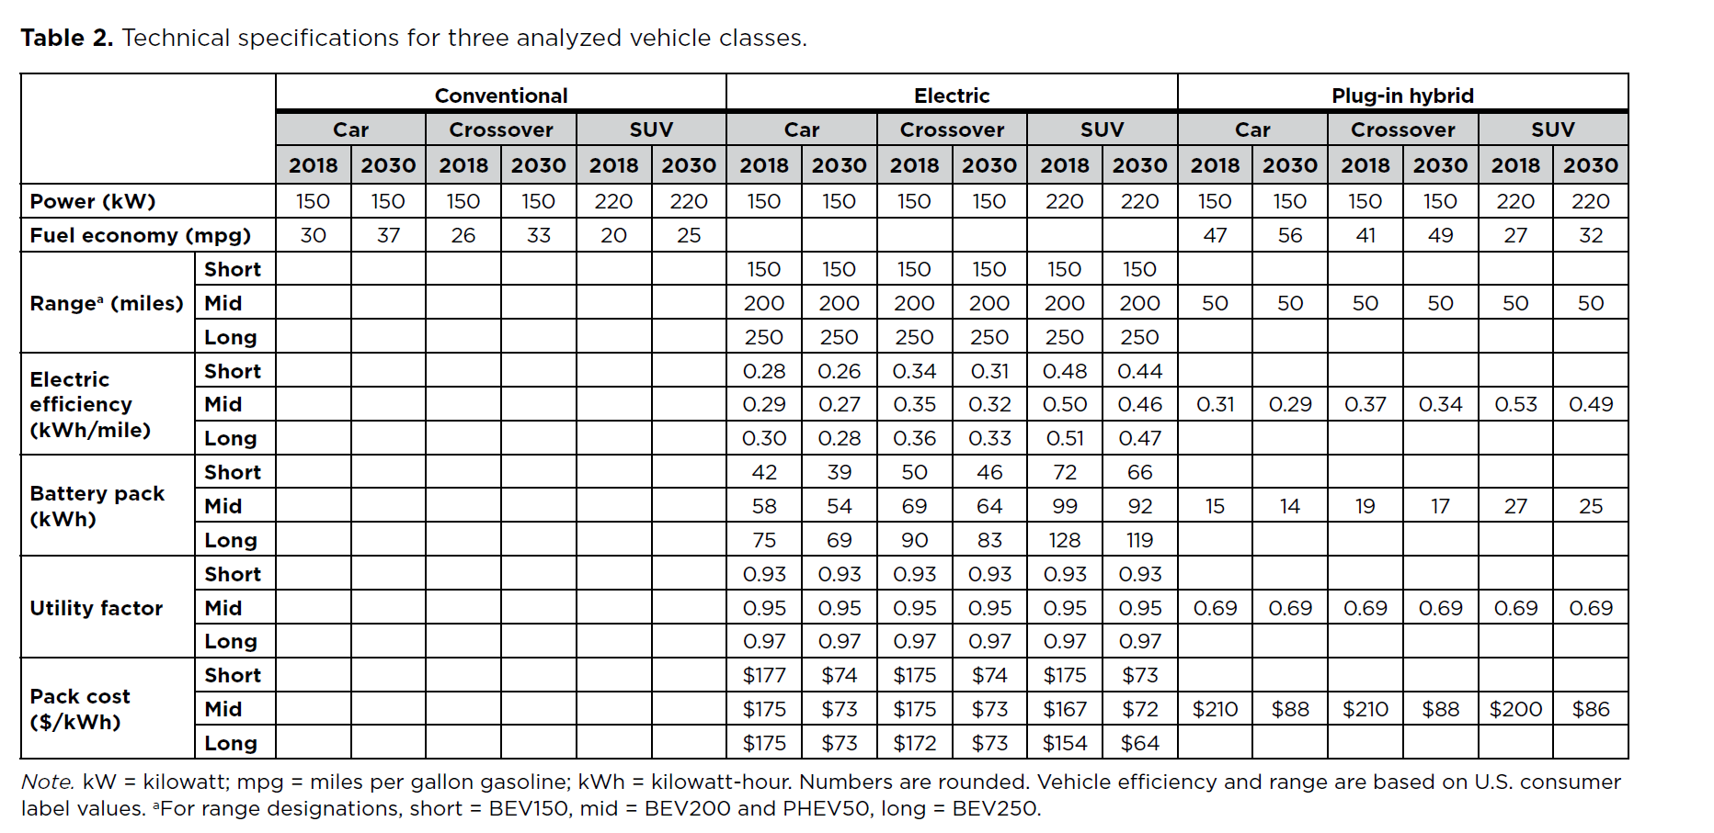
ICCT Battery Pack Size Data

 |  |  |  |  |  |  |  |  |  | Electric |  |  |  | Plug-in hybrid
 |  |  |  |  |  |  |  |  | Range | 150 miles |  | 250 miles |  | n/a
 |  |  |  |  |  |  |  |  | Range Category | Short |  | Long |  | Mid
 |  |  |  |  |  |  |  |  | Year | 2018 | 2030 | 2018 | 2030 | 2018 | 2030
 |  |  |  |  |  |  |  |  | Car | 42 | 39 | 75 | 69 | 15 | 14
 |  |  |  |  |  |  |  |  | Crossover | 50 | 46 | 90 | 83 | 19 | 17
 |  |  |  |  |  |  |  |  | SUV | 72 | 66 | 128 | 119 | 27 | 25
 |  |  |  |  |  |  |  |  | Pickup | 105 | 96 | 186 | 173 | 39 | 36

 |  |  |  |  |  |  |  |  | Pickup to SUV engine size ratio | 1.45

 |  |  |  |  |  |  |  |  | 2030 Weighted plug-in hybrid battery size
 |  |  |  |  |  |  |  |  | Cars and crossovers | 15.164179104
 |  |  |  |  |  |  |  |  | Light trucks | 28.356308851

Battery Pack Size Calculations

Car and light truck sales shares |  |  | Cars and crossovers
Car | 46% |  | Car share | 61%
Truck | 54% |  | Crossover share | 39%

Short vs long range sales shares |  |  | Light trucks (SUVs and pickups)
Short | 31% |  | Pickup share | 30%
Long | 69% |  | Truck SUV share | 70%

Year | 2017 | 2018 | 2019 | 2020 | 2021 | 2022 | 2023 | 2024 | 2025 | 2026 | 2027 | 2028 | 2029 | 2030 | 2031 | 2032 | 2033 | 2034 | 2035 | 2036 | 2037 | 2038 | 2039 | 2040 | 2041 | 2042 | 2043 | 2044 | 2045 | 2046 | 2047 | 2048 | 2049 | 2050

Battery pack size (kWh) - 250 mile range
Car | 75.0 | 75.0 | 74.5 | 74.0 | 73.5 | 73.0 | 72.5 | 72.0 | 71.5 | 71.0 | 70.5 | 70.0 | 69.5 | 69.0
Crossover | 90.0 | 90.0 | 89.4 | 88.8 | 88.3 | 87.7 | 87.1 | 86.5 | 85.9 | 85.3 | 84.8 | 84.2 | 83.6 | 83.0
SUV | 128.0 | 128.0 | 127.3 | 126.5 | 125.8 | 125.0 | 124.3 | 123.5 | 122.8 | 122.0 | 121.3 | 120.5 | 119.8 | 119.0
Pickup | 186.1 | 186.1 | 185.1 | 184.0 | 182.9 | 181.8 | 180.7 | 179.6 | 178.5 | 177.4 | 176.3 | 175.2 | 174.1 | 173.1

Battery pack size (kWh) - 150 mile range
Car | 42.0 | 42.0 | 41.8 | 41.5 | 41.3 | 41.0 | 40.8 | 40.5 | 40.3 | 40.0 | 39.8 | 39.5 | 39.3 | 39.0
Crossover | 50.0 | 50.0 | 49.7 | 49.3 | 49.0 | 48.7 | 48.3 | 48.0 | 47.7 | 47.3 | 47.0 | 46.7 | 46.3 | 46.0
SUV | 72.0 | 72.0 | 71.5 | 71.0 | 70.5 | 70.0 | 69.5 | 69.0 | 68.5 | 68.0 | 67.5 | 67.0 | 66.5 | 66.0
Pickup | 104.7 | 104.7 | 104.0 | 103.3 | 102.5 | 101.8 | 101.1 | 100.3 | 99.6 | 98.9 | 98.2 | 97.4 | 96.7 | 96.0

PHEVs | Battery Size (kWh) | Notes
Pre-adjusted value | 22.3 | Weighted average light duty vehicle before accounting for PHEV 20% penalty
Adjusted value | 26.8 | ICCT: "PHEV pack level costs are assumed to remain 20% higher than those for BEVs throughout the time frame of the analysis." This 20% cost difference is accounted for by increasing the required battery size.

Battery pack size (kWh) - 250 mile range
Car | 80.8 | 80.8 | 80.3 | 79.8 | 79.2 | 78.7 | 78.2 | 77.6 | 77.1 | 76.6 | 76.0 | 75.5 | 75.0 | 74.4
Light Truck | 145.2 | 145.2 | 144.3 | 143.5 | 142.6 | 141.8 | 140.9 | 140.1 | 139.2 | 138.4 | 137.5 | 136.7 | 135.8 | 135.0
Weighted Average | 115.8 | 115.8 | 115.1 | 114.4 | 113.7 | 113.0 | 112.3 | 111.6 | 110.9 | 110.2 | 109.5 | 108.8 | 108.1 | 107.4

Battery pack size (kWh) - 150 mile range
Car | 45.1 | 45.1 | 44.8 | 44.5 | 44.3 | 44.0 | 43.7 | 43.4 | 43.1 | 42.8 | 42.6 | 42.3 | 42.0 | 41.7
Light Truck | 81.7 | 81.7 | 81.1 | 80.5 | 80.0 | 79.4 | 78.8 | 78.3 | 77.7 | 77.1 | 76.6 | 76.0 | 75.4 | 74.9
Weighted Average | 65.0 | 65.0 | 64.6 | 64.1 | 63.7 | 63.3 | 62.8 | 62.4 | 61.9 | 61.5 | 61.1 | 60.6 | 60.2 | 59.8

LDV psg - sales weighted fleet average battery pack size (kWh) | 100.3 | 100.3 | 99.7 | 99.0 | 98.4 | 97.8 | 97.2 | 96.6 | 95.9 | 95.3 | 94.7 | 94.1 | 93.4 | 92.8 | 92.8 | 92.8 | 92.8 | 92.8 | 92.8 | 92.8 | 92.8 | 92.8 | 92.8 | 92.8 | 92.8 | 92.8 | 92.8 | 92.8 | 92.8 | 92.8 | 92.8 | 92.8 | 92.8 | 92.8

Car-light truck shares
Historical Sales Data
Source: CNCDA
https://www.cncda.org/wp-content/uploads/Cal-Covering-4Q-18.pdf

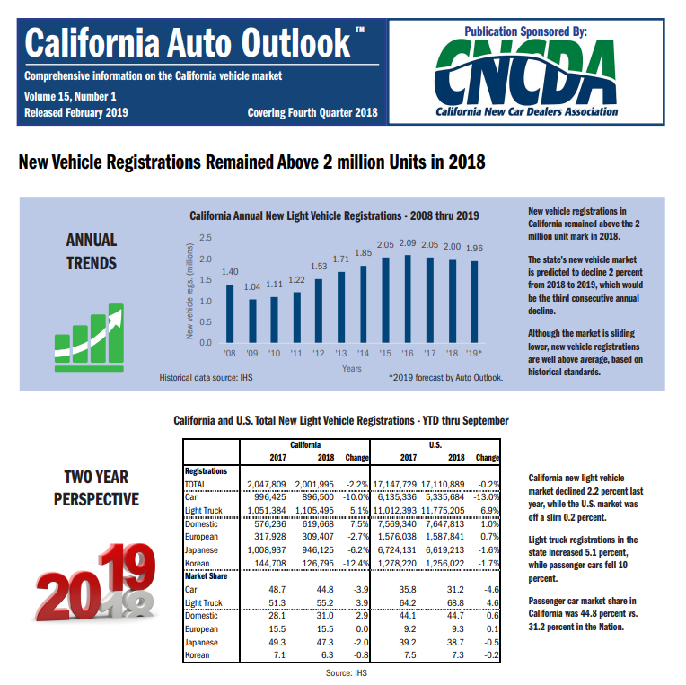

 |  |  |  |  |  |  |  | 2017 LDV Sales | 2017 % Share | 2018 LDV Sales | 2018 % Share
 |  |  |  |  |  |  | Car | 996,425 | 49% | 896,500 | 45%
 |  |  |  |  |  |  | Light Truck | 1,051,384 | 51% | 1,105,495 | 55%
 |  |  |  |  |  |  | Total | 2,047,809 | 100% | 2,001,995 | 100%

Future Sales Projections

Annual Sales Change Calculations from AEO 2019 Pacific Region
 | 2017 | 2018 | 2019 | 2020 | 2021 | 2022 | 2023 | 2024 | 2025 | 2026 | 2027 | 2028 | 2029 | 2030
Car |  |  | -2.0% | -0.909% | -1.028% | -2.444% | 0.916% | 0.848% | 0.291% | 0.363% | 1.357% | 1.477% | 3.798% | 1.149%
Truck |  |  | 2.2% | -0.4018% | -0.1225% | -2.4885% | -1.0304% | -1.7111% | -1.7481% | -0.4977% | -2.5013% | -1.7800% | -4.9741% | -1.0453%

Projected Sales
 | 2017 Actual | 2018 Actual | 2019 | 2020 | 2021 | 2022 | 2023 | 2024 | 2025 | 2026 | 2027 | 2028 | 2029 | 2030
Car | 996425 | 896500 | 878349 | 870367 | 861421 | 840368 | 848062 | 855254 | 857740 | 860851 | 872536 | 885427 | 919058 | 929614
Light Truck | 1051384 | 1105495 | 1129421 | 1124883 | 1123505 | 1095547 | 1084258 | 1065706 | 1047076 | 1041864 | 1015804 | 997722 | 948094 | 938184
Total | 2047809 | 2001995 | 2007770 | 1995250 | 1984926 | 1935915 | 1932320 | 1920960 | 1904816 | 1902715 | 1888340 | 1883149 | 1867153 | 1867798

Projected Sales Shares
 | 2017 Actual | 2018 Actual | 2019 | 2020 | 2021 | 2022 | 2023 | 2024 | 2025 | 2026 | 2027 | 2028 | 2029 | 2030
Car | 0.49 | 0.44780331619 | 0.4374748634 | 0.43621945572 | 0.43398153673 | 0.43409359987 | 0.43888285629 | 0.44522223007 | 0.45030084863 | 0.45243278105 | 0.46206520207 | 0.47018424676 | 0.49222446844 | 0.49770600247
Light Truck | 0.51341897609 | 0.55219668381 | 0.5625251366 | 0.56378054428 | 0.56601846327 | 0.56590640013 | 0.56111714371 | 0.55477776993 | 0.54969915137 | 0.54756721895 | 0.53793479793 | 0.52981575324 | 0.50777553156 | 0.50229399753

 | 2017-2030 Total | 2017-2030 Share
Car | 12,371,973 | 45.6%
Truck | 14,768,942 | 54.4%
Total | 27,140,915 | 100%

Intermediate Calcs
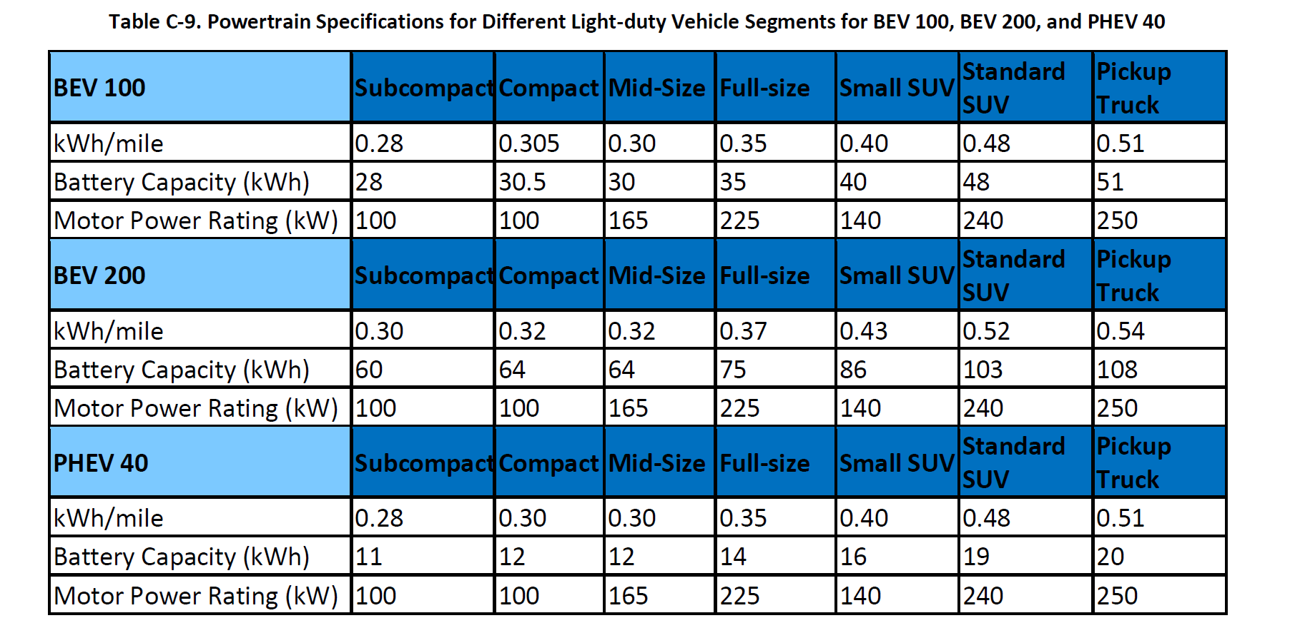
Assumptions

Assume SUVs are full sized

Definition Mapping
EPS Category | EPA Categories
Car | Car and crossover
Light Truck | Truck SUV and pickup

Breakdown of LDV Sales
Source: ICCT (p. 4)
Cars | 41%
Crossovers | 26%
SUVs | 22%
Pickup Trucks | 11%
Total | 100%

Note: ICCT's vehicle shares may not align with light vehicle production shares data from EPA's 2018 Automotive Trends Report (in the 'EPA 2018 ATR' sheet).

Estimating Vehicle Shares

Cars
Share of cars | 61.2%
Share of crossovers | 38.8%

Light Trucks
Pickups | 29.6%
Truck SUVs | 70.4%

Car - Light truck

2017 and 2018 based on empirical data from the California New Car Dealers Association
Change over time based on sales share changes in the AEO 2019 forecast for the Western coast states (see tab "AEO 39.9 sales - Pacific")

Short vs Long Range EV Shares
Range | Average Share
Short <250 | 73%
Long >250 | 27%

Manufacturer and Dealer Profit Margins

Assumption | Value | Source | Notes
Dealer profit margin | 15% | ICCT, p.7 | Constant across vehicle types
Manufacturer profit margin: car | 5% | ICCT, p.7
Manufacturer profit margin: crossover | 10% | ICCT, p.7
Manufacturer profit margin: SUV (full size or truck SUV) | 15% | ICCT, p.7
Manufacturer profit margin: pickup | 25% | Assumed | We have not identified the industry average yet, but have found copius anecdotal evidence of higher profits in this segment, e.g. https://www.autonews.com/article/20150428/BLOG06/150429797/the-f-150-ford-s-heavy-duty-profit-hauler

Car and pickup profit margins
Pickup | 18%
Car | 10%

Note: ICCT adds sales tax. The EPS handles this independently.

Maintenance Costs

Source: ICCT (p. 8)

Gasoline | Cost ($/mile)
Car | 0.061 |  | Gasoline - EPS categories | Cost ($/mile)
Crossover | 0.065 |  | Car | 0.063
SUV | 0.094 |  | Light truck | 0.099
Truck (estimated) | 0.110

Electric | Cost ($/mile)
Car | 0.026 |  | Electric - EPS categories | Cost ($/mile)
Crossover | 0.029 |  | Car | 0.027
SUV | 0.039 |  | Light truck | 0.041
Truck (estimated) | 0.046

Pickup Trucks

Assumption | Value | Notes
Ratio of engine size pickup to truck SUV | 1.45 | Use this factor to scale up powertrain requirements (including battery)
Ratio of weight pickup over truck SUV | 1.17 | Use this factor to scale up other direct costs

Comparison to Ricardo - PG&E EPIC contract work.
Battery discharge capacity (kWh)
 | Standard SUV | Pickup Truck | Ratio
100 mile | 48 | 51 | 1.06
200 mile | 103 | 108 | 1.05

EPA 2018 ATR
Source: EPA
2018 Automotive Trends Report
https://www.epa.gov/automotive-trends
Note: Calculations highlighted in green

 | The production-weighted loaded vehicle weight of pickups, vans, and truck SUVs increased from 1975 to 2018. Pickups gained more than 1,100 lb while vans gained 290 lb and truck SUVs gained 225 lb.

 |  |  |  |  |  | The production-weighted loaded vehicle weight of cars declined by 525 lb from 1975 to 2018, while car SUVs declined by 222 lb. |  |  | Ratio of engine size pickup to truck SUV
 |  |  |  |  |  |  |  |  | Pickup | 4.29
 | Table 4.18 (Updated April 2019) |  |  |  |  |  |  |  | Truck SUV | 2.95
 | Production-Weighted Loaded Vehicle Weight of New |  |  |  |  | Table 4.17 (Updated April 2019) |  |  | Ratio of engine size pickup to truck SUV | 1.45
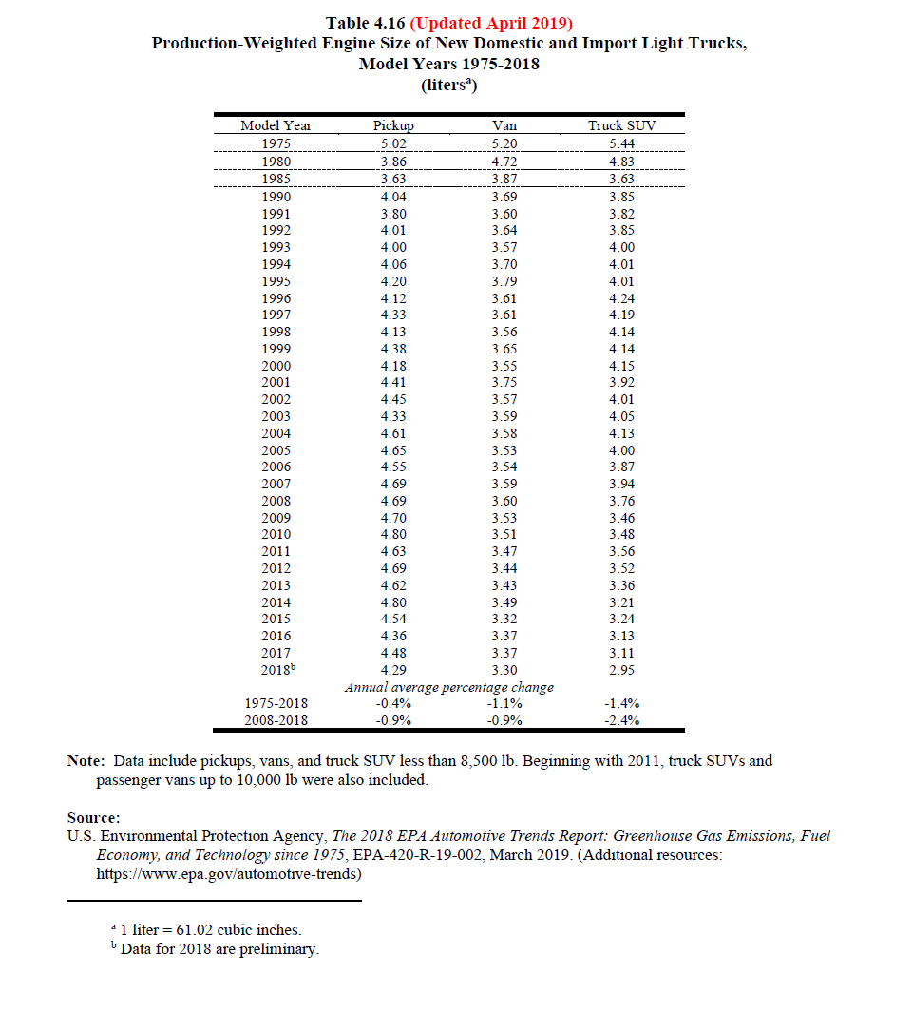
 | Domestic and Import Light Trucks |  |  |  |  | Production-Weighted Loaded Vehicle Weight of New Domestic and Import Cars
 | Model Years 1975-2018 |  |  |  |  | Model Years 1975-2018
 | (pounds) |  |  |  | Calculated | (pounds)

 | Model Year | Pickup | Van | Truck SUV | Pickup / Truck SUV | Model Year | Car | Car SUV
 | 1975 | 4,012 | 4,196 | 4,214 | 0.95206454675 | 1975 | 4,058 | 4,000
 | 1976 | 4,122 | 4,200 | 4,328 | 0.95240295749 | 1976 | 4,059 | 3,986
 | 1977 | 4,092 | 4,252 | 4,248 | 0.96327683616 | 1977 | 3,944 | 4,000
 | 1978 | 4,104 | 4,250 | 4,282 | 0.95843063989 | 1978 | 3,588 | 4,000
 | 1979 | 4,142 | 4,541 | 4,561 | 0.9081341811 | 1979 | 3,485 | 3,271
 | 1980 | 3,740 | 4,353 | 4,237 | 0.8827000236 | 1980 | 3,101 | 4,000
 | 1981 | 3,679 | 4,324 | 4,208 | 0.87428707224 | 1981 | 3,076 | 4,000
 | 1982 | 3,629 | 4,342 | 4,494 | 0.8075211393 | 1982 | 3,054 | 2,630
 | 1983 | 3,544 | 4,414 | 4,270 | 0.8299765808 | 1983 | 3,112 | 3,124
 | 1984 | 3,619 | 4,075 | 4,049 | 0.8938009385 | 1984 | 3,099 | 3,487
 | 1985 | 3,642 | 3,975 | 4,092 | 0.89002932551 | 1985 | 3,093 | 3,469
 | 1986 | 3,574 | 3,998 | 3,958 | 0.90298130369 | 1986 | 3,041 | 3,479
 | 1987 | 3,526 | 3,972 | 3,882 | 0.90829469346 | 1987 | 3,031 | 3,492
 | 1988 | 3,737 | 4,053 | 3,906 | 0.95673323093 | 1988 | 3,047 | 3,495
 | 1989 | 3,803 | 4,057 | 4,086 | 0.93073910915 | 1989 | 3,099 | 3,497
 | 1990 | 3,928 | 4,095 | 4,098 | 0.95851634944 | 1990 | 3,176 | 3,518
 | 1991 | 3,779 | 4,133 | 4,157 | 0.90906904017 | 1991 | 3,154 | 3,733
 | 1992 | 3,976 | 4,151 | 4,204 | 0.9457659372 | 1992 | 3,240 | 3,713
 | 1993 | 3,996 | 4,105 | 4,331 | 0.92265065805 | 1993 | 3,207 | 3,848
 | 1994 | 4,056 | 4,156 | 4,331 | 0.93650427153 | 1994 | 3,250 | 3,735
 | 1995 | 4,182 | 4,110 | 4,323 | 0.96738376128 | 1995 | 3,263 | 3,763
 | 1996 | 4,190 | 4,195 | 4,386 | 0.9553123575 | 1996 | 3,282 | 3,710
 | 1997 | 4,415 | 4,240 | 4,463 | 0.98924490253 | 1997 | 3,274 | 3,549
 | 1998 | 4,282 | 4,183 | 4,450 | 0.96224719101 | 1998 | 3,306 | 3,824
 | 1999 | 4,486 | 4,306 | 4,518 | 0.99291722001 | 1999 | 3,365 | 3,831
 | 2000 | 4,340 | 4,276 | 4,602 | 0.9430682312 | 2000 | 3,369 | 3,870
 | 2001 | 4,551 | 4,518 | 4,546 | 1.001099868 | 2001 | 3,380 | 3,765
 | 2002 | 4,690 | 4,394 | 4,636 | 1.0116479724 | 2002 | 3,391 | 3,747
 | 2003 | 4,642 | 4,393 | 4,754 | 0.97644089188 | 2003 | 3,417 | 3,716
 | 2004 | 4,939 | 4,487 | 4,756 | 1.0384777124 | 2004 | 3,462 | 3,854
 | 2005 | 4,988 | 4,430 | 4,756 | 1.0487804878 | 2005 | 3,463 | 3,848
 | 2006 | 4,968 | 4,475 | 4,715 | 1.0536585366 | 2006 | 3,534 | 3,876
 | 2007 | 5,144 | 4,479 | 4,797 | 1.0723368772 | 2007 | 3,507 | 3,935
 | 2008 | 5,161 | 4,527 | 4,727 | 1.0918129892 | 2008 | 3,527 | 3,902
 | 2009 | 5,176 | 4,572 | 4,548 | 1.1380826737 | 2009 | 3,464 | 3,846
 | 2010 | 5,309 | 4,533 | 4,555 | 1.165532382 | 2010 | 3,474 | 3,949
 | 2011 | 5,268 | 4,502 | 4,665 | 1.1292604502 | 2011 | 3,559 | 3,890
 | 2012 | 5,335 | 4,442 | 4,640 | 1.1497844828 | 2012 | 3,452 | 3,915
 | 2013 | 5,429 | 4,543 | 4,584 | 1.1843368237 | 2013 | 3,465 | 3,966
 | 2014 | 5,485 | 4,489 | 4,483 | 1.2235110417 | 2014 | 3,497 | 3,865
 | 2015 | 5,165 | 4,416 | 4,533 | 1.1394220163 | 2015 | 3,489 | 3,868
 | 2016 | 5,150 | 4,459 | 4,482 | 1.1490406069 | 2016 | 3,468 | 3,782
 | 2017 | 5,217 | 4,503 | 4,510 | 1.1567627494 | 2017 | 3,470 | 3,855
 | 2018b | 5,184 | 4,485 | 4,438 | 1.1680937359 | 2018b | 3,532 | 3,778
 | Annual average percentage change |  |  |  |  | Annual average percentage change
 | 1975-2018 | 0.6% | 0.2% | 0.1% |  | 1975-2018 | -0.3% | -0.1%
 | 2008-2018 | 0.0% | -0.1% | -0.6% |  | 2008-2018 | 0.0% | -0.3%
 |  |  |  |  |  | a Loaded vehicle weight is equal to the vehicle’s curb weight plus 300 pounds.
 | Note: Data include pickups, vans, and truck SUV less than 8,500 lb. Beginning with 2011, truck SUVs and passenger vans up to 10,000 lb were also included. |  |  |  |  | b Data for 2018 are preliminary.

 | a Loaded vehicle weight is equal to the vehicle’s curb weight plus 300 pounds.
 | b Data for 2018 are preliminary.

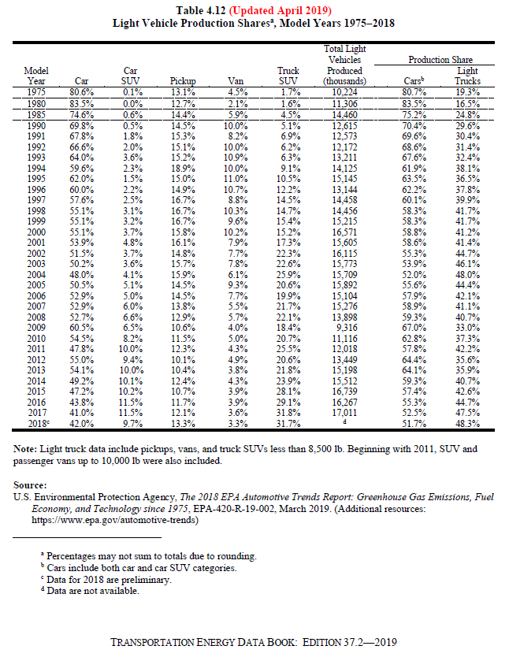
 |  |  |  |  |  |  | 2018 Truck Shares of All Vehicles
 |  |  |  |  |  |  | Pickups | 13.3%
 |  |  |  |  |  |  | Truck SUVs | 31.7%
 |  |  |  |  |  |  | Total | 45.0%

 |  |  |  |  |  |  | 2018 Shares Within Light Duty Trucks
 |  |  |  |  |  |  | Pickups | 29.6%
 |  |  |  |  |  |  | Truck SUVs | 70.4%
 |  |  |  |  |  |  | Total | 100.0%

CARB ACT ISOR
Source: CARB
PUBLIC HEARING TO CONSIDER THE PROPOSED ADVANCED CLEAN TRUCKS REGULATION
https://ww3.arb.ca.gov/regact/2019/act2019/isor.pdf

Color Key:
Copied from CARB source
Added notes/calculation

 |  |  |  |  | Sales - diesel and gasoline
In 2012 $s for rows 20 and 21
 | 2021-2023 MY | 2024-2026 MY | 2027-2030 MY
Class 2b-3 Pickup/Van | $524.00 | $963.00 | $1,364.00 |  | Model Year | Class 2b-3 | Class 4-5 | Class 6-7 | Class 8 | Class 7-8 Tractor
Vocational Vehicles* | $1,110.00 | $2,022.00 | $2,662.00 |  | 2024 | 53761 | 6436 | 7556 | 1119 | 4686
Tractors | $5,926.38 | $9,232.31 | $11,371.99 |  | 2025 | 54217 | 6531 | 7667 | 1137 | 4769
Calculated LDV Average | $658.83 | $1,205.29 | $1,645.17 |  | 2026 | 54753 | 6649 | 7806 | 1177 | 4918
 |  |  |  |  | 2027 | 55152 | 6786 | 7966 | 1194 | 4993
*Vocational Vehicles encompass Class 8 non-tractor vehicles according to the EIA. |  |  |  |  | 2028 | 55765 | 6904 | 8105 | 1216 | 5075
Note that E3 groups Class 8 non-tractors with Class 7-8 tractors in HDV freight. |  |  |  |  | 2029 | 56371 | 7024 | 8246 | 1239 | 5161
 |  |  |  |  | 2030 | 56968 | 7147 | 8390 | 1264 | 5263
 |  |  |  |  | sum | 386987 | 47477 | 55736 | 8346 | 34865
 |  |  |  |  |  | LDV Freight |  |  |  | HDV Freight
Gasoline and Diesel Vehicle Starting Prices: |  |  |  |  |  | Class 2b-3 | Class 4-5 | Class 6-7 | Class 8 | Class 7-8 Tractor
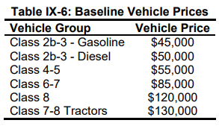
 |  |  |  |  | Sales Share (2024-2030) | 78% | 10% | 11% | 2% | 100%

 |  | Vehicle Group | Vehicle Price |  | * E3 categorizes Class 8 non-tractors and Class 7-8 tractors as HDV freight.
 |  | Class 2b-3 - Gasoline | $45,000.00 |  | This file uses EIA's definition that includes Class 8 non-tractors in vocational vehicles/LDV freight.
 |  | Class 2b-3 - Diesel | $50,000.00
 |  | Class 4-5 | $55,000.00 |  | LDV freight sales - DIESEL ONLY
 |  | Class 6-7 | $85,000.00 |  | Model Year | Class 2b-3 | Class 4-5 | Class 6-7 | Class 8
 |  | Class 8 | $120,000.00 |  | 2024 | 30644 | 6436 | 7556 | 1119
 |  | Class 7-8 Tractors | $130,000.00 | $118,820.00 | 2025 | 30904 | 6531 | 7667 | 1137
 |  |  |  |  | 2026 | 31209 | 6649 | 7806 | 1177
 |  |  | 2018 $s | 2012 $s | 2027 | 31437 | 6786 | 7966 | 1194
 |  | Calculated LDV Avg - Diesel | $58,346.94 | $53,329.10 | 2028 | 31786 | 6904 | 8105 | 1216
Use ratio of Gasoline/Diesel for Class 2b-3 for calculated gasoline value: |  | Calculated LDV Avg - Gasoline | $52,512.24 | $47,996.19 | 2029 | 32131 | 7024 | 8246 | 1239
 |  |  |  |  | 2030 | 32472 | 7147 | 8390 | 1264
 |  |  |  |  | sum | 220582.59 | 47477 | 55736 | 8346 | 332142
BEV and FCEV Price Forecasts: |  |  |  |  |  | LDV Freight
 |  |  |  |  |  | Class 2b-3 | Class 4-5 | Class 6-7 | Class 8
 |  |  |  |  | Sales Share - DIESEL ONLY (2024-2030) | 66% | 14% | 17% | 3%

Vehicle Group | 2024 MY | 2025 MY | 2026 MY | 2027 MY | 2028 MY | 2029 MY | 2030 MY
Class 2b-3 - Electric Normal Range | $64,896.00 | $63,635.00 | $62,599.00 | $61,684.00 | $60,829.00 | $60,035.00 | $59,241.00
Class 2b-3 - Electric Long Range | $69,241.00 | $67,568.00 | $66,201.00 | $65,011.00 | $63,909.00 | $62,895.00 | $61,881.00
Class 4-5 - Electric Normal Range | $80,127.00 | $77,616.00 | $75,585.00 | $73,852.00 | $72,267.00 | $70,830.00 | $69,394.00
Class 4-5 - Electric Long Range | $91,424.00 | $87,841.00 | $84,952.00 | $82,503.00 | $80,275.00 | $78,266.00 | $76,258.00
Class 6-7 - Electric Normal Range | $116,174.00 | $112,591.00 | $109,702.00 | $107,253.00 | $105,025.00 | $103,016.00 | $101,008.00
Class 6-7 - Electric Long Range | $133,554.00 | $128,321.00 | $124,112.00 | $120,563.00 | $117,345.00 | $114,456.00 | $111,568.00
Class 8 - Electric Normal Range | $154,799.00 | $150,486.00 | $147,007.00 | $144,057.00 | $141,371.00 | $138,949.00 | $136,527.00
Class 8 - Electric Long Range | $175,655.00 | $169,362.00 | $164,299.00 | $160,029.00 | $156,155.00 | $152,677.00 | $149,199.00
Class 7-8 Tractor - Electric | $201,351.00 | $194,134.00 | $188,312.00 | $183,371.00 | $178,870.00 | $174,809.00 | $170,748.00
Class 7-8 Tractor - Fuel Cell | $216,931.00 | $212,353.00 | $207,885.00 | $203,439.00 | $199,004.00 | $194,579.00 | $190,155.00

Ratio of Fuel Cell to Electric | 1.0773773162 | 1.0938475486 | 1.1039392073 | 1.1094393334 | 1.112562196 | 1.1130948635 | 1.1136587251

Diesel fraction within class 2b-3 | 57%
ISOR states:

 | 2019
Natural Gas - LDV per AEO and USEPS | $59,513.62
Diesel | 58347
Ratio of natural gas to diesel | $1.02

Ships
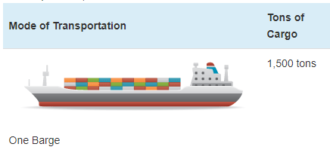
Ship prices vary greatly by ship type and size. Based on variable AVLo, our average |  |  |  | freight ship capacity
freight ship loading is 1363 tons. This may be reasonably represented by a single oceangoing, |  |  |  | Tennessee-Tombigbee Waterway
self-propelled barge that has a capacity of 1500 tons (see source info to the right). A drawing |  |  |  | undated
of a barge of this type is shown to the right (from thas same source). |  |  |  | Cargo Capacity of Different Transportation Modes
 |  |  |  | http://business.tenntom.org/why-use-the-waterway/shipping-comparisons/
Capacities of large barges of this sort are often expressed in TEU (twenty-foot equivalent units),
which are the size of a standard intermodal metal shipping container. They do not convert
neatly into cargo tons, but standard containers have a maximum payload
mass of 21600 kg, or 21.6 metric tons. Typical payload may be less. We use 16 tons as
the typical load for a freight HDV (see variable AVLo), which may use an intermodal container
or be similar in size to one.

The largest barge in the world is the Maersk Triple E class, with a capacity of 18,340 TEU |  |  |  | Source for TEU capacities
and a cost of $185 million. This is more than 200 times more capacity than the ship we |  |  |  | https://web.archive.org/web/20090420143514/http://emase.co.uk/data/cont.html
wish to represent with this variable, and it serves as an upper bound reference point.
 |  |  |  | Source for Maersk Triple E class pricing
A variety of used boats are listed for sale at https://www.oceanmarine.com |  |  |  | https://www.bloomberg.com/news/photo-essays/2013-09-05/holy-ship#slide1
with ever-changing inventory. These barges all tend to be smaller than the reference
ship we wish to represent (with 1500-ton capacity). The closest ships I have been |  |  |  | Source for Other Example cargo ship pricing
able to find are certain Platform Supply Vessels, which tend to have higher deck capacities |  |  |  | https://www.oceanmarine.com
and lower prices than the similar Anchor Handling Tug Supply (AHTS) vessels. AHTS
vessels have extra equipment and engine power that may increase their price relative
to the necessary capacity.

 | Description | Deck Capacity (metric tons) | Price | Year of Manufacture
 | 180ft 5200HP AHTS 9504 | 500 | 5900000 | 1984
 | 60 Ton BP AHTS - 9279 | 500 | 7050000 | 1984
 | 5200HP AHTS - 9278 | 500 | 7050000 | 1983
 | 220ft Platform Supply DP-1 - 13146 | 1030 | 6000000 | 1999
 | 240ft Platform Supply Vessel(PSV) DP-1 - 13932 | 1800 | 6000000 | 2009
 | 285ft Platform Supply Vessel (PSV) - 13810 | 2800 | 22000000 | 2014

Based on all of these data points, we select a value of $10 million to represent a brand new,
self-propelled, ocean-going barge or supply boat with 1,500-ton capacity.
10000000

We assume no change in pricing over time.

Passenger Ships (recreational boats in the U.S. model) |  |  |  | Source for typical recreational boat characteristics
As with freight ships, there are a great variety of types of recreational boats at various |  |  |  | http://www.carefreeboater.com/how-much-does-a-boat-cost/
price points. We assume a runabout roughly 21 feet to 24 feet in length is typical.
 |  |  |  | Sources for boat prices
We use a value of $30,000 for these boats, which seems reasonable for a brand |  |  |  | http://www.boatingmag.com
new, entry-level runabout of the sort determined to be typical. This is based |  |  |  | http://www.boattrader.com
on examination of price listings and articles at the sources listed to the right. |  |  |  | http://www.boats.com
30000

We assume no change in pricing over time.

For estimating electric and hydrogen vehicle prices, we apply the ratios
from the passenger HDVs category.

